Sheet1
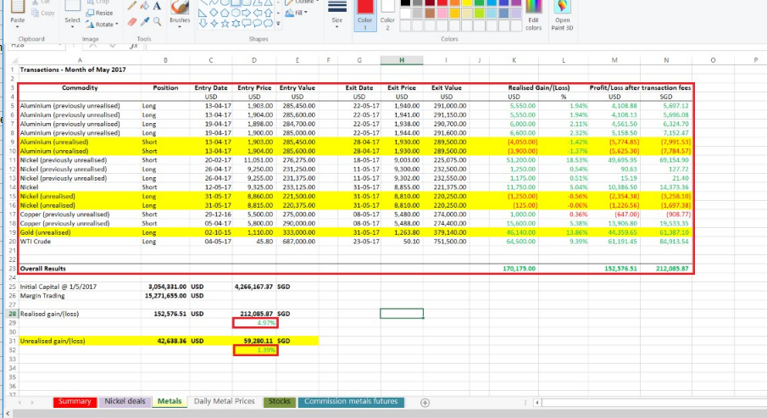
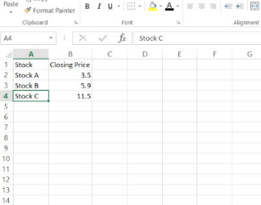
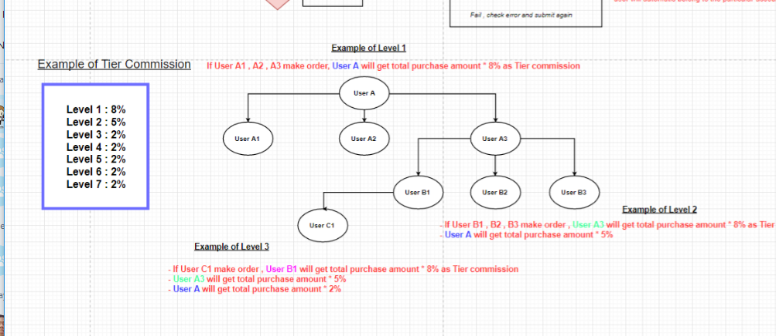
Menu => Transaction => add 1 more module call "Purchase" | Withdrawal and Deposit fields are

this module is for client purchase stock/metal/nickel | 1.Investor(select)
 | 2.price(input)(2 decimal)
the fields of purchase module are : | 3.category(select)(use the product category)
 | 4.date
1.Investor(select) | 5.remarks
2.Product(select)
3.Share(input)
4.Price(input)(2 decimal)
5.Date
6.Remarks

 |  |  | about the Nickel deals tab import , import the highlighted date only
 |  |  | you saw Feb , Mar , apr right
 |  |  | normally they every month will import
 |  |  | will only import 1 month | like that
 |  |  | example current month is Aug , then at the month end , I will import Aug data only | Stock , closing price

 |  | about the Metals tab import , you just need to import the highlighted data
 |  | realized gain : 4.97% |  | the stock they will key in product code
 |  | unrealized gain : 1.39% |  | the closing price is 2 decimal point

 |  |  |  |  | Tier module sample

